Soils Selection
Soils Selection |  | Project Name: |  |  |  | Soils Selection: The Soils Selection tool will aid you in answering Criterion D and I on the eNOI. 1. Select the county in which the project is located from the "Project County" drop down list. 2. Select the appropriate soils series from the "Series Name" drop down list under "Soil 1". 3. Enter the expected depth of excavation during construction. 4. Enter the area of the soils series within the limits of disturbance (LOD). The NRCS Web Soil Survey is a free application that can be used to find area of soil series within the LOD. 5. Repeat steps 2-4 for all soils within the LOD of the project using soil section "soil 2" and so on. Tips: - If there is a soil complex where one component (certain layer) did not have Kw information, the Kw is weighted automatically based on components that did have Kw information in that soil complex. - To see the soil complex information, see the figure below.

 | Site Erodibility Calculator
 |  |  | Project County: | Addison
 |  |  | Total disturbed soil within LOD (ac): | 2
 |  |  | Is there > 1 acre of disturbance where KW>0.36? | NO | Criterion D
 |  |  | Is there < 2 acres of disturbance where KW>0.17? | YES | Criterion I

 | Soil 1 | Addison
 | Series Name:
 |  | Estimated Depth of Earth Disturbance (in):
 |  | Area of soil within LOD (ac):

 |  | Layer | Layer Top (in) | Layer Bottom (in) | KW
 |  | 1 | 0 | 0 | 0.00
 |  | 2 | 0 | 0 | 0.00
 |  | 3 | 0 | 0 | 0.00
 |  | 4 | 0 | 0 | 0.00
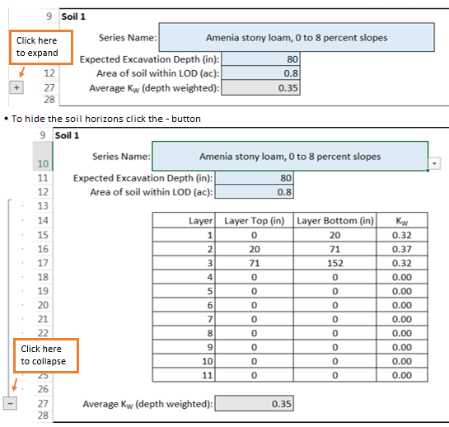
 |  | 5 | 0 | 0 | 0.00
 |  | 6 | 0 | 0 | 0.00
 |  | 7 | 0 | 0 | 0.00
 |  | 8 | 0 | 0 | 0.00
 |  | 9 | 0 | 0 | 0.00
 |  | 10 | 0 | 0 | 0.00
 |  | 11 | 0 | 0 | 0.00

 |  | Average KW (depth weighted): | 0.00

 | Soil 2 | Addison
 | Series Name: | W - Water
 | Estimated Depth of Earth Disturbance (in): |  | 18
 |  | Area of soil within LOD (ac): | 2
 |  | Average KW (depth weighted): | 0.00

 | Soil 3 | Addison
 | Series Name:
 |  | Estimated Depth of Earth Disturbance (in):
 |  | Area of soil within LOD (ac):
 |  | Average KW (depth weighted): | 0.00

 | Soil 4 | Addison
 | Series Name:
 |  | Estimated Depth of Earth Disturbance (in):
 |  | Area of soil within LOD (ac):
 |  | Average KW (depth weighted): | 0.00

 | Soil 5 | Addison
 | Series Name:
 |  | Estimated Depth of Earth Disturbance (in):
 |  | Area of soil within LOD (ac):

 |  | Average KW (depth weighted): | 0.00

 | Soil 6 | Addison
 | Series Name:
 |  | Estimated Depth of Earth Disturbance (in):
 |  | Area of soil within LOD (ac):

 |  | Average KW (depth weighted): | 0.00

