Soils Selection
Soils Selection |  | Project Name: |  | Stormwater Project 1 |  | Soils Selection: The Soils Selection tool will aid you in answering questions 6 and 9 in the Risk Score Tab. Your answers from the Soils Selection tool will automatically populate in the Risk Score Tab for you. See the Soils Selection Tool on page 2. 1. Select the county in which the project is located from the "Project County" drop down list. 2. Select the appropriate soils series from the "series Name" drop down list under "Soil 1". 3. Enter the expected depth of excavation during construction. 4. Enter the area of the soils series within the limits of disturbance (LOD). You can find the soils area by using step 6 of the "Location Maps" directions in the "Directions"tab. 5. Repeat steps 2-4 for all soils within the LOD of the project using soil section "soil 2" and so on. Tips: -If there is a soil complex where one component (certain layer) did not have Kw information, the Kw is weighted automatically based on components that did have Kw information in that soil complex. -To see the soil complex information, see the figure below.

 | Site Erodibility Calculator
 |  |  | Project County: | Lamoille
 |  |  | Total disturbed soil within LOD (ac):
 |  |  | Is there > 1 acre of disturbance where KW>0.36? | 0 | Risk Score Q.6
 |  |  | Is there < 2 acres of disturbance where KW>0.17? | NO | Risk Score Q.9

 | Soil 1 | Lamoille
 | Series Name: | BrC - Berkshire-Tunbridge complex, 8 to 15 percent slopes, rocky
 |  | Estimated Depth of Earth Disturbance (in): | 65
 |  | Area of soil within LOD (ac): | 24

 |  | Layer | Layer Top (in) | Layer Bottom (in) | KW
 |  | 1 | 0 | 7 | 0.32
 |  | 2 | 7 | 13 | 0.34
 |  | 3 | 13 | 21 | 0.41
 |  | 4 | 21 | 23 | 0.45
 |  | 5 | 23 | 33 | 0.47
 |  | 6 | 33 | 65 | 0.51
 |  | 7 | 0 | 0 | 0.00
 |  | 8 | 0 | 0 | 0.00
 |  | 9 | 0 | 0 | 0.00
 |  | 10 | 0 | 0 | 0.00
 |  | 11 | 0 | 0 | 0.00

 |  | Average KW (depth weighted): | 0.45
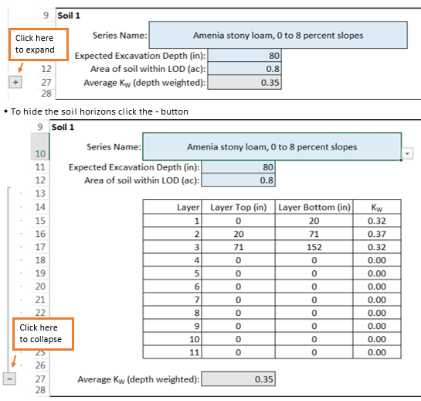
 | Soil 2 | Lamoille
 | Series Name:
 | Estimated Depth of Earth Disturbance (in):
 |  | Area of soil within LOD (ac):
 |  | Average KW (depth weighted): | 0.00

 | Soil 3 | Lamoille
 | Series Name: | AdB - Adams loamy sand, 3 to 8 percent slopes
 |  | Estimated Depth of Earth Disturbance (in):
 |  | Area of soil within LOD (ac):
 |  | Average KW (depth weighted): | 0.00

 | Soil 4 | Lamoille
 | Series Name:
 |  | Estimated Depth of Earth Disturbance (in):
 |  | Area of soil within LOD (ac):
 |  | Average KW (depth weighted): | 0.00

 | Soil 5 | Lamoille
 | Series Name:
 |  | Estimated Depth of Earth Disturbance (in):
 |  | Area of soil within LOD (ac):

 |  | Average KW (depth weighted): | 0.00

 | Soil 6 | Lamoille
 | Series Name:
 |  | Estimated Depth of Earth Disturbance (in):
 |  | Area of soil within LOD (ac):

 |  | Average KW (depth weighted): | 0.00

