Instructions
Standard Compliance Workbook Instructions
This workbook is designed to guide you through how to calculate and demonstrate compliance the standards in the 2017 Vermont State Stormwater Manual (VSMM). Before filling this workbook, you should always refer to the Stormwater Program homepage to ensure that you are using the most recent application materials.
Vermont Stormwater Application Materials webpage

Filling out the Workbook
Blue boxes | must be filled out by the designer
Yellow boxes | may be filled out by the designer, but are optional
Grey boxes | contain values calculated from the information entered in the blue boxes

This workbook is protected so that the user can only edit blue and yellow boxes.

Workbook Tabs
This workbook is comprised of a "Summary" tab and several discharge point tabs labelled SN1, SN2, etc. Fill out one tab for each discharge point in your project. This workbook will be supported by sizing calculations and treatment volume (TV) information completed via specific STP worksheets that must also be completed for each practice. The Summary tab provides an overview of how the standards are met across discharge points.

This workbook is designed to work with up to nine (9) discharge points or points of interest (POI) which come preloaded. Changing Discharge Point Names: If discharge points need to be renamed, the user must change both the label in line 5 of the summary tab AND the tab label in order for the summary tab to be able to pull data from the right sheet.
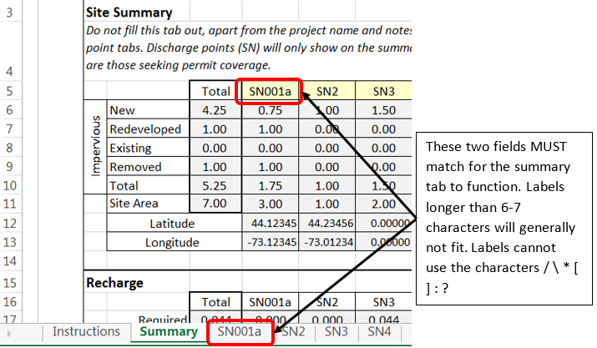 |  | 0.00
 |  | 0.00
Designers working on a projects with more discharge points should contact their district reviewer. If your project contains fewer discharge points, unneeded tabs may be deleted, but cannot be added back. It is preferrable to right-click on the tab label and selecting "hide". |  | 0.00
 |  | 0.00
If you have questions regarding the completion of the workbook, contact the stormwater program: |  | 0.00
Stormwater Technical Reviewers |  | 0.00

Types of Impervious
When entering impervious on the discharge point tabs, the user is presented with several options depending on the type of permit coverage that is required.
Pre Development
w Existing Impervious: Any impervious, other than impervious previously authorized under another permit that exists within the drainage area prior to the development for which permit coverage is being sought.
w Impervious Previously Authorized under 2002 VSMM: Any impervious previously authorized under the 2002 VSMM that is not being modified by the current permit application. The workbook will not calculate required treatment volumes for this impervious. It is included here only to maintain a record of the total impervious covered by the permit. This will automatically transfer through to the post development totals.
Post Development
w New Impervious: Impervious created as a part of the proposed development.
w Existing Impervious for Permit Coverage: Impervious that existed prior to the proposed development that is not undergoing alteration, but for which permit coverage is being sought. Treatment volumes will be calculated as for new development.
w Existing Impervious NOT for Permit Coverage: Impervious that existed prior to the proposed development that is not undergoign alteration and for which permit coverage is not being sought. Treatment volumes will not include this area.
w Redeveloped Impervious: Existing impervious that will be redeveloped under the proposed development and meets the jurisdictional threshold for redevelopment. Treatment volumes for this impervious will be calculated in accordance with the Section 2.4 in the Manual. Redevelopment within a discharge point that does meet jurisdictional threshold for redevelopment may be included as "Existing Not for Permit Coverage" unless voluntary permit coverage is being sought.

Printing/PDF Instructions
In order to select specific tabs of this worksheet to print or save as a pdf, hold down control while clicking on the desired tabs. The summary tab and any discharge points used in the project must be included with the permit application.

Notes
CNAdj in Tc is currently restricted to 50-95, consistent with NEH, Part 630. If the CNAdj falls outside this range, the outer bound of the range is used.

All curve numbers (CN) calculated in this workbook are flow-weighted. Pre and post-development CN are back calculated from the flow volume of the storm of interest.

