Instructions
Instructions
This workbook is designed to guide you through how to calculate and demonstrate compliance the standards in the 2017 Vermont State Stormwater Manual. Before filling this workbook, you should always refer to the Stormwater Program homepage to ensure that you are using the most recent application materials.
Vermont Stormwater Application Materials webpage

Blue boxes | must be filled out by the designer
Yellow boxes | may be filled out by the designer, but are optional
Grey boxes | contain values calculated from the information entered in the blue boxes

This workbook is protected so that the user can only edit blue and yellow boxes.

This workbook is comprised of a "Summary" tab and several discharge point tabs labelled SN1, SN2, etc. Fill out one tab for each discharge point in your project. This workbook will be supported by sizing calculations and treatment volume (TV) information completed via specific STP worksheets that must also be completed for each practice. The Summary tab provides an overview of how the standards are met across discharge points.

This workbook is designed to work with up to nine (9) discharge points or points of interest (POI) which come preloaded. Changing Discharge Point Names: If discharge points need to be renamed, the user must change both the label in line 5 of the summary tab AND the tab label in order for the summary tab to be able to pull data from the right sheet.
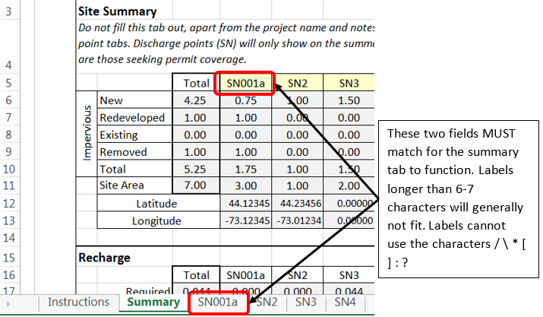 |  | 0.00
 |  | 0.00
Designers working on a projects with more discharge points should contact their district reviewer. If your project contains fewer discharge points, unneeded tabs may be deleted, but cannot be added back. Excess tabs can also be hidden by right-clicking on the tab label and selecting "hide". |  | 0.00
 |  | 0.00
If you have questions regarding the completion of the workbook, contact the stormwater program: |  | 0.00
Stormwater Technical Reviewers |  | 0.00

Printing/PDF Instructions
In order to select specific tabs of this worksheet to print or save as a pdf, hold down control while clicking on the desired tabs. The summary tab and any discharge points used in the project must be included with the permit application.

Notes
CNAdj in Tc is currently restricted to 50-95, consistent with NEH, Part 630. If the CNAdj falls outside this range, the outer bound of the range is used.

All curve numbers (CN) calculated in this workbook are flow-weighted. Pre and post-development CN are back calculated from the flow volume of the storm of interest.

