2021 LMP
2021 Lake Fairlee Lay Monitoring Data
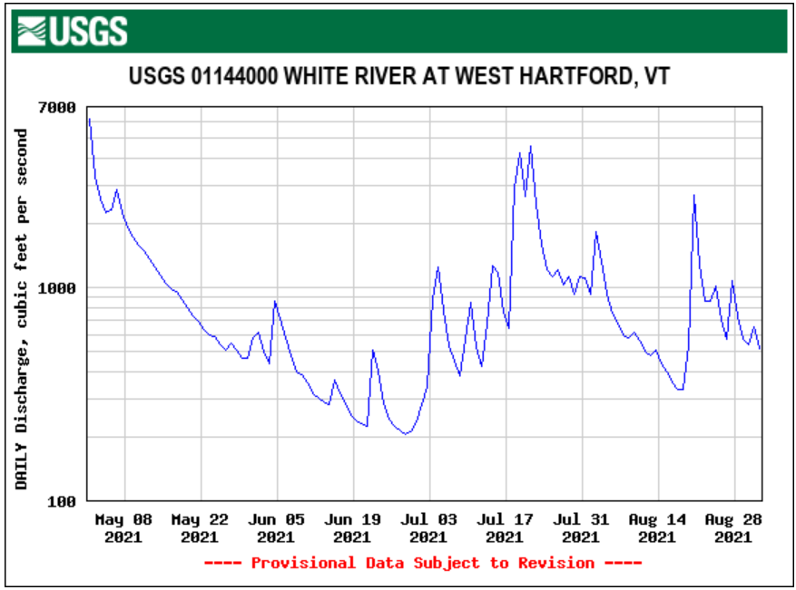
Date | Station | Secchi Depth (m) | Hose Sample Depth (m) | Chlorophyll-a (ug/l) | Total Phosphorus (ug/l)
7-Jun-21 | 1 | 8.6 | 14 | 1.07 | 16.8
18-Jun-21 | 1 | 7.9 | 14 | 2.43 | 13.8
6-Jul-21 | 1 | 6.4 | 13 | 2.78 | 14.2
16-Jul-21 | 1 | 7 | 14 | 5.11 | 24.6
1-Aug-21 | 1 | 6.7 | 13 | 15.7 | 41.4
15-Aug-21 | 1 | 7.4 | 14 | 14.1 | 29.5
5-Sep-21 | 1 | 6.4 | 13 | 10.6 | 15.8
Mean | 1 | 7.2 | 14 | 7.40 | 22.3

7-6-2021 Profile
Depth (m) | Temperature (C) | Dissolved Oxygen (mg/l) | Secchi Depth (m) | LMP Hose Total Phosphorus (ug/l) | Total Phosphorus (ug/l) | Dissolved Phosphorus (ug/l) | Total Nitrogen (mg/l) | Iron (ug/l) | Manganese (ug/l) | Chloride (mg/l)
0.5 | 23.69 | 8.6 |  |  | 6.9 | <5.0 | 0.16 | <50 | 14.7 | 12.1
1 | 23.66 | 8.58
2 | 23.33 | 8.63
3 | 23.17 | 8.66
4 | 22.36 | 8.9
6 | 13.92 | 10.55 | 6.4
7 | 11.37 | 8.2
8 | 9.91 | 5.43
9 | 9.23 | 3.81
10 | 8.69 | 2.53
11 | 8.39 | 2.11
12 | 8.08 | 0.69 |  |  | 29.7 | 18 | 0.37 | 462 | 700 | 12.5
13 | 7.45 | 0.12 |  | 14.2
13 (duplicate) |  |  |  | 25
Lake Fairlee Station 1 Vertical Water Quality Profile July 6, 2021
 | Temperature (C) |  | Dissolved Oxygen (mg/l) |  | Secchi Depth (m) |  | Total Phosphorus (ug/l) |  | Dissolved Phosphorus (ug/l) |  | LMP Hose Total Phosphorus (ug/l)
23.69 | 0.5 | 8.6 | 0.5 | 0 | 6.4 | 6.9 | 0.5 | 5 | 0.5 | 14.2 | 13
23.66 | 1 | 8.58 | 1 |  |  | 29.7 | 12 | 18 | 12 | 25 | 13
23.33 | 2 | 8.63 | 2
23.17 | 3 | 8.66 | 3
22.36 | 4 | 8.9 | 4
13.92 | 6 | 10.55 | 6
11.37 | 7 | 8.2 | 7
9.91 | 8 | 5.43 | 8
9.23 | 9 | 3.81 | 9
8.69 | 10 | 2.53 | 10
8.39 | 11 | 2.11 | 11
8.08 | 12 | 0.69 | 12
7.45 | 13 | 0.12 | 13

