PCB Sources
 | PCB Light Ballasts |  | Capacitors
Souces of PCBs in Schools
Electrical Capacitors
Capacitors in electical equipment (TVs and Microwaves)
Transformers
Lighting Ballasts
Old electrical devices (pre , lab equipment, or appliances containing PCB capacitors
- refrigerators |  |  |  | Put some photos of capacitors
- heating systems
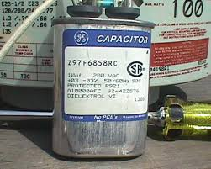
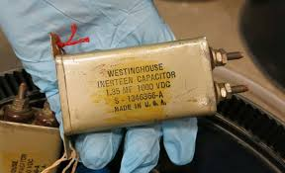
- air conditioners
Floor Sealants |  | Light ballasts manufactured after 1980 have the words “No PCBs” printed on them. If the light ballast does not have this wording or was manufactured before 1980, it should be assumed that it contains PCBs.
Paint |  | *After 1998 laveling was no longer required and may not be present
Flame Retardent on Ceiling Tiles and textiles |  | Polychlorinated Biphenyl (PCB)-Containing Fluorescent Light Ballasts (FLBs) in School Buildings | US EPA
Sprayed on fireproofing
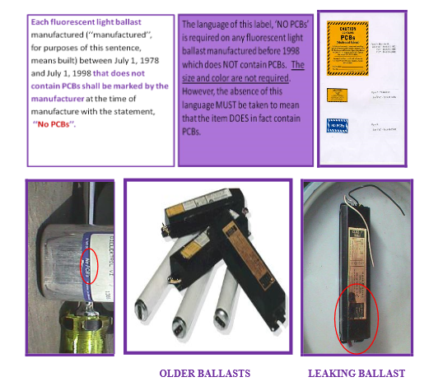
Rubber Seals/caulking around vents/doors/windows
Sealants and Caulking Compounds (original between 1950-1980)
Caulking material in joints of concrete
Cove base and floor tile mastic
Sealant putties
Liquid Containing Transformers
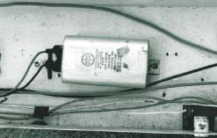
Switches, voltage regulators, circuit breakers
Hydraulic Oil (elevators)
Univents (wall mounted)
Ventilation Systems/duct work (sealants/coatings)

Additional Considerations for Tech Centers
Brake Linings
Pattern Waxes for Investment Castings
Carbonless Copy Paper
Gasket Sealers |  |  |  | Univent and Light Ballast Inspection directions for Facilities Managers
Printing Inks |  |  |  | https://www.opt-osfns.org/nycdsf/View.aspx?v=110
Used Oil
Automotive Break Fluid
Vacuum Pumps
Recycled Paper (mostly food grade)
Hydraulic Oils/fluids
Cutting Oils
Cranes
 |  | *If light ballasts were removed but staining is present from historic leaking this should be noted
All items above should be considered if they are original to the building or are original before 1980
This list is not comprehensive, but intended to aid in identfiying potential PCB sources

FAQ's about PCBs in Building Materials at Schools
https://www.epa.gov/sites/production/files/2016-03/documents/pcbs_in_building_materials_questions_and_answers.pdf

