Instructions
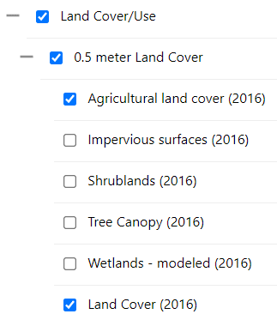
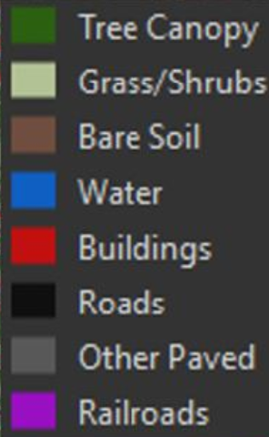
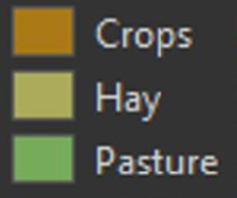
Riparian Buffer Planting and Enhancement Final Report

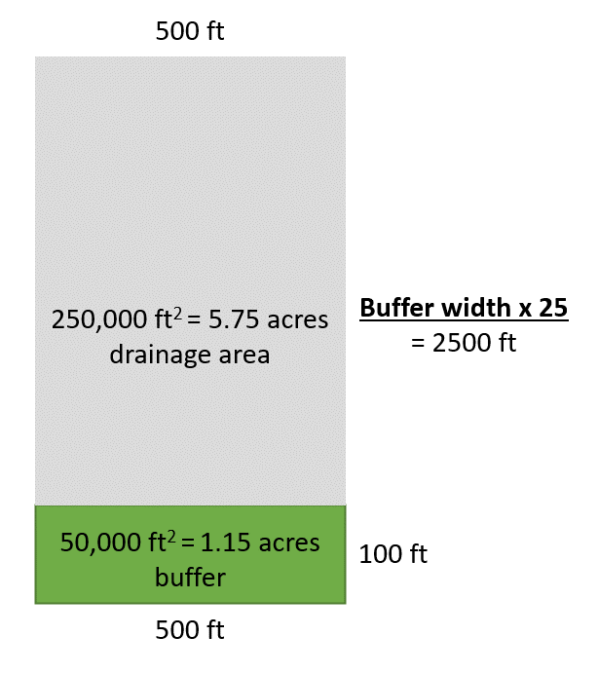
This report is used to collect the information needed to report on funding, performance measures, and total phosphorus load reductions from buffer projects. All projects reported in this form must have a WPD ID. WPD IDs are created for buffer projects during the basin planning process and/or after an interim Batch Import File (BIF) is uploaded. You can find WPD IDs for your projects using the Watershed Projects Database Search: https://anrweb.vt.gov/DEC/CleanWaterDashboard/WPDSearch.aspx. If a project does not have an existing WPD ID, you must contact Katie Bockwoldt (katelyn.bockwoldt@vermont.gov).

New buffer plantings currently receive phosphorus credits through 2 mechanisms: overland flow treatment and land use conversion. Buffer enhancement projects do not receive additional phosphorus reductions because the enhancement is bringing the buffer back to the operating conditions assumed for the phosphorus credit given after the initial planting. As such, buffer enhancement projects only need to complete columns A to N.
To receive phosphorus credit for the land use conversion, DEC needs to know the land use of the planted area prior to the buffer planting. Land uses have been simplified for reporting: Developed Pervious, Developed Impervious, Cropland, or Pasture. Cropland represents areas of corn or hay, while Pasture refers to agricultural areas of fertilized grasses. Developed Pervious refers to areas of lawn or turfgrass, while Developed Impervious refers to areas of hard surfaces (e.g., driveways, parking lots). Note that Developed Impervious draining to a collection system (e.g., stormwater catch basins) is not credited in the buffer drainage area because the overland flow does not drain to buffer.

To receive phosphorus credit for overland flow treatment, DEC needs to know the land uses within the drainage area of the buffer. The drainage area is defined as 5 times the buffer area. For example, if a planted buffer is 1.15 acres then 5.75 acres of upslope area is considered the drainage area for the buffer. The drainage area should be delineated as 25 times the buffer width (see example at right).

Grantees may also measure and summarize drainage area land uses using Google Maps. To estimate land uses using satellite imagery, select the Satellite layer and enter your buffer coordinates to zoom into the planting site. Measure the drainage area as 25 times the buffer width and estimate land uses in width by length as Developed Pervious (grass/shrubs, bare soil), Developed Impervious (buildings, roads, other paved, railroads), Cropland (crops, hay), or Pasture. Up to three categories can be reported for a single buffer drainage area.

Alternatively, grantees can use measure and summarize the drainage area land uses using the VCGI Map Viewer: https://maps.vermont.gov/vcgi/html5viewer/?viewer=vtmapviewer. To measure the drainage area, use the "Measure" toolboar at the top of the Map Viewer (see example below). Under the Land Cover/Use layer on the left of the Map Viewer, select "Agricultural Land Cover (2016)" and "Land Cover 2016" (see layer legend below). The land use color symbology for these two layers is shown in the black legends below. For reporting to DEC, land uses in the drainage area should be classified as Developed Pervious (grass/shrubs, bare soil), Developed Impervious (buildings, roads, other paved, railroads), Cropland (crops, hay), or Pasture. Up to three categories can be reported for a single buffer drainage area.

If you have questions about this report, please contact your TPM or Katie Bockwoldt (katelyn.bockwoldt@vermont.gov)

